Results_old
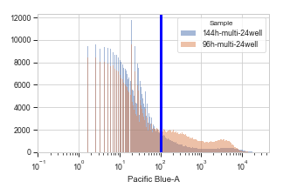
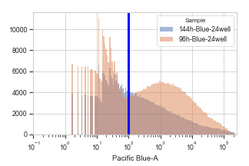
Threshold | 100 |  |  |  | Multi
Blue |  |  |  |  | Blue
Threshold | Abreviation |  | Ratio |  | Threshold | Abreviation |  | Ratio
False | 15 | 452048 | 0.62060666124 | 96h | False | 6 | 617423 | 0.059302941419 | 144h
 | 16 | 276973 | 0.58018290592 | 144h |  | 5 | 569574 | 0.12221414601 | 96h
True | 15 | 280544 |  |  | True | 6 | 36615
 | 16 | 160695 |  |  |  | 5 | 69610
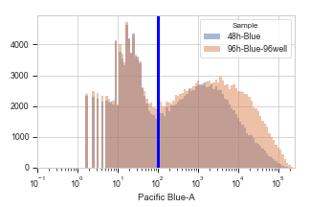
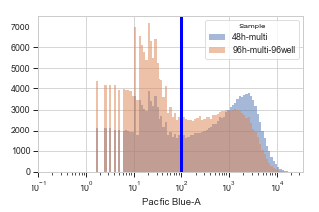
Threshold | Abreviation |  |  |  | Threshold | Abreviation |  | Ratio
False | 13 | 143952 | 0.67193231077 | 48h | False | 4 | 267827 | 0.36189405848 | 96h
 | 14 | 161126 | 0.7736491938 | 96h |  | 3 | 137876 | 0.7352403609 | 48h
True | 13 | 96726 |  |  | True | 4 | 96925
 | 14 | 124655 |  |  |  | 3 | 101372

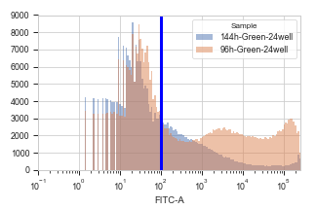
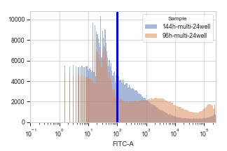
Green |  |  |  |  | Green
Threshold | Abreviation |  |  |  | Threshold | Abreviation |  | Ratio
False | 10 | 362830 | 0.51443100074 | 96h | False | 6 | 476978 | 0.37121208945 | 144h
 | 11 | 312493 | 0.28731203579 | 144h |  | 5 | 434472 | 0.47117420685 | 96h
True | 10 | 186651 |  |  | True | 6 | 177060
 | 11 | 89783 |  |  |  | 5 | 204712

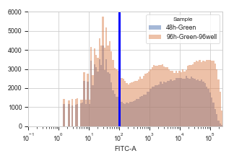
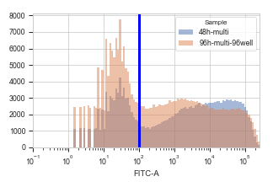
Threshold | Abreviation |  |  |  | Threshold | Abreviation |  | Ratio
False | 9 | 156515 | 1.1292272306 | 96h | False | 4 | 217698 | 0.67549541107 | 96h
 | 8 | 107238 | 1.0706652493 | 48h |  | 3 | 111239 | 1.1507564793 | 48h
True | 9 | 176741 |  |  | True | 4 | 147054
 | 8 | 114816 |  |  |  | 3 | 128009

 | 48h-96h | 96h-144h |  |  |  | 48h-96h | 96h-144h
Blue | 0.86852324821 | 1.0696741578 |  |  | Blue | 2.0316452942 | 2.0608445903
Green | 0.94813977225 | 1.7904958257 |  |  | Green | 1.7035740886 | 1.2692857271
Dilution ratio
Dilution ratio

Conclusion:
In multi group, the plasmids without SV40 ori dilute quicker than that with the SV40 ori
In multi group, the experssion level of Blue is 10 times lower thant the green and the single blue
Double peaks observed in 144 hrs group contining SV40 ori, as well as the 96h in that without SV40 ori

Result_new
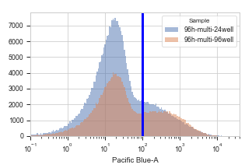
Blue | 0 | abbri | sample |  | rate |  | Green | 0 | sample |  | rate
0 | 0 | 1 | 12h multi |  |  |  |  | 0 | 12h multi
1 | 0.0010268697587 | 2 | 12h T |  |  |  |  | 0.0031661817559 | 12h T
2 | 0.17181760486 | 3 | 48h-multi |  |  |  |  | 0.43485842132 | 48h-multi
3 | 0.054170086143 | 4 | 96h-multi-96 well |  | 3.1718170875 | 96-48 |  | 0.32639389016 | 96h-multi-96 well |  | 1.3323117694 | 96-48
4 | 0.019075602223 | 5 | 96h-multi-24 well |  |  |  |  | 0.17739902687 | 96h-multi-24 well
5 | 0.0096150307313 | 6 | 144h-multi-24well |  | 1.9839356479 | 144-96 |  | 0.087423171764 | 144h-multi-24well |  | 2.0291991618 | 144-96
6 | 0 | 7 | 12h-Green |  |  |  |  | 0 | 12h-Green
7 | 6.96E-06 | 8 | 48h-Green |  |  |  |  | 0.40423459341 | 48h-Green
8 | 0.000169457485 | 9 | 96h-Green-96well |  |  |  |  | 0.43664172922 | 96h-Green-96well |  | 0.92578094663 | 96-48
9 | 0.00067510548523 | 10 | 96h-Green-24well |  |  |  |  | 0.21080760974 | 96h-Green-24well
10 | 0.0010172354228 | 11 | 144h-Green-24well |  |  |  |  | 0.081540056044 | 144h-Green-24well |  | 2.5853257892 | 144-96
11 | 0 | 12 | 12h-Blue |  |  |  |  | 0 | 12h-Blue
12 | 0.24574575541 | 13 | 48h-Blue |  |  |  |  | 0 | 48h-Blue
13 | 0.38570257207 | 14 | 96h-Blue-96well |  | 0.63713797418 | 96-48 |  | 0 | 96h-Blue-96well
14 | 0.25249525027 | 15 | 96h-Blue-24well |  |  |  |  | 0 | 96h-Blue-24well
Dilution rate
 | dilution rate
48-96 multi blue | 3.1718170875
96-144 multi blue | 1.9839356479
48-96 single blue | 0.63713797418
96-144 single blue | 1.5075945177
48-96 multi green | 1.3323117694
96-144 multi green | 2.0291991618
48-96 single green | 0.92578094663
96-144 single green | 2.5853257892
15 | 0.16748220248 | 16 | 144h-Blue-24well |  | 1.5075945177 | 144-96 |  | 0 | 144h-Blue-24well
16 | 0 | 17 | 12h-Blank |  |  |  |  | 0 | 12h-Blank
17 | 5.53E-06 | 18 | 48h-Blank |  |  |  |  | 1.11E-05 | 48h-Blank
18 | 5.93E-06 | 19 | 96h-Blank-96well |  |  |  |  | 3.56E-05 | 96h-Blank-96well
19 | 0 | 20 | 96h-Blank-24well |  |  |  |  | 0 | 96h-Blank-24well
20 | 0 | 21 | 144h-Blank-24well |  |  |  |  | 0 | 144h-Blank-24well

 |  |  |  |  | 48-96 multi blue | 96-144 multi blue | 48-96 single blue | 96-144 single blue |  | 48-96 multi green | 96-144 multi green | 48-96 single green | 96-144 single green
 |  |  |  | dilution rate | 3.1718170875 | 1.9839356479 | 0.63713797418 | 1.5075945177 |  | 1.3323117694 | 2.0291991618 | 0.92578094663 | 2.5853257892

EBFP表达高于阈值的细胞占比
96h-multi-96 well | 0.054170086143
96h-multi-24 well | 0.019075602223

